AOP1
CBU deposit/withdraw transaction registration

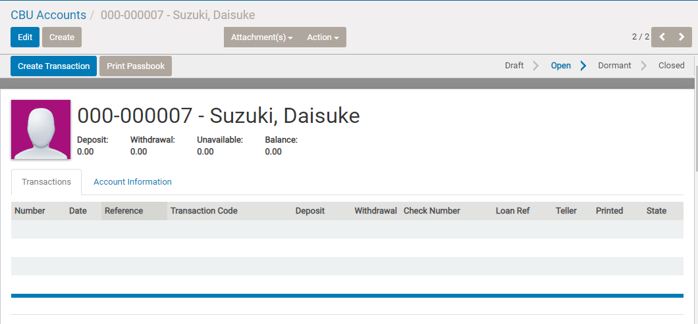
 |  | 1. Display CBU account form of the target member

 |  | * for displaying , you need to jump from the membership from , or seach in [Cooperative]>[Accounts]>[CBU Accounts] form.

 |  | 2. Tap [Create Transaction]

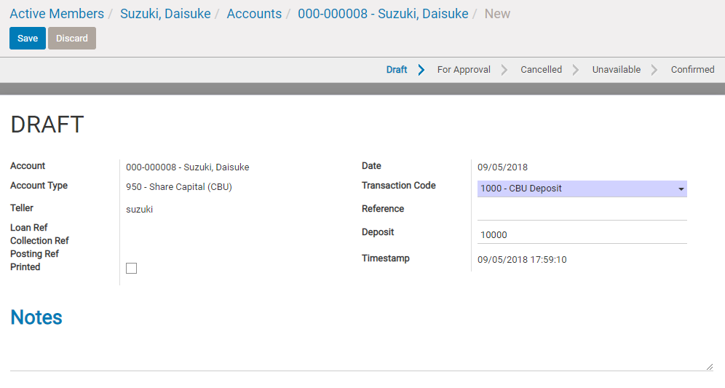
 |  | 3. Input deposit transaction info and transaction date , then save

 |  |  | Date : transaction date ( display date opened now ,and it cannot be changed)

 |  |  | Select CBU deposit in case of deposit, CBU Withdrawal in case of withdraw

 |  |  | input reference ( will print on passbook )

 |  |  | Deposit amount

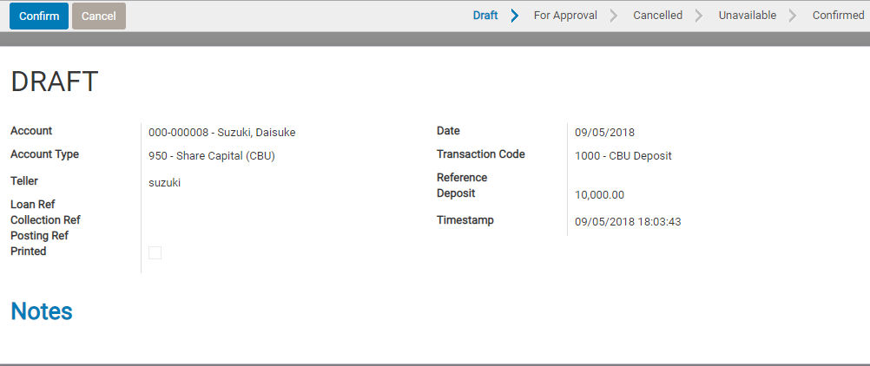
 |  | 4. Check again and Tap [Confirm]

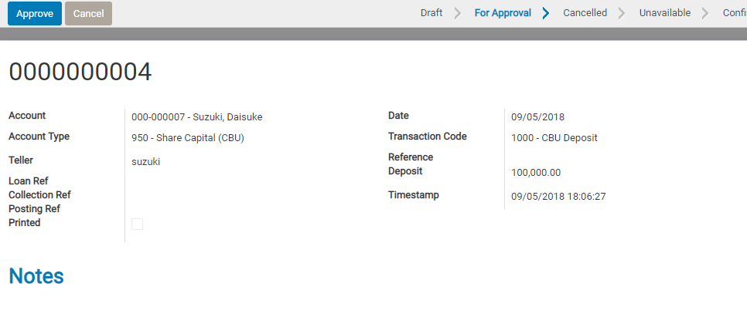
 |  | 4'. If the deposit amount is over Deposit limit set in account type configuration,
 |  | another approval process by branch manager is necessary.
 |  | ( refer to LR3 for understanding of deposit limit)

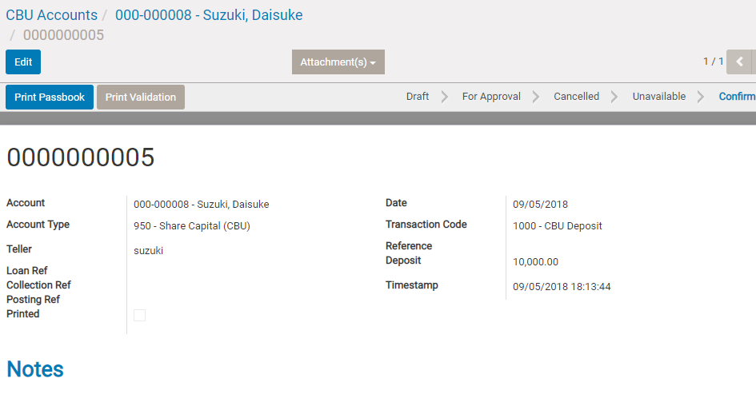
 |  | 5. Tap [Passbook] button

 |  | Passbook front cover , back label , transaction info can be printed in next window

 |  | 6. Tap [Print]

 |  | * If first time or need to print front cover/back label, you can print also them here.

01 Balance Forwarded ********0.00
02 09/05/18 1000 10,000.00 ***10,000.00

 |  | 7. Tap [Confirm Printed]

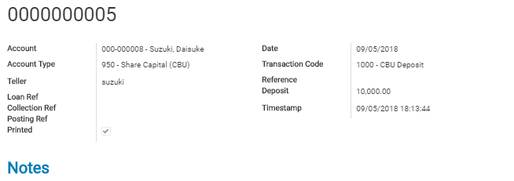

 | By [confirm printed] , ths transaction printing status will be changed to [printed]
 | and then, next passbook line will be updated to 3.(in this case)
 | (in this case, next line is 3 , so when printing next transaction , this number will be 3 display automatically)

 | max line is 37 (in cluding balance forward line ) , and if over 36 transactions , the next line will be updated to zero again.
 | Then when printing next (37th tran) ,the record will be printed in 2nd line with balance forward in first line
 | (balance forward info at the top line , will be calculated automatically )

 | noted
 | * passbook printer is necessary on coop side
 | * max line and other layout of passbook should be customized per coop's passbook and printer

AOP2
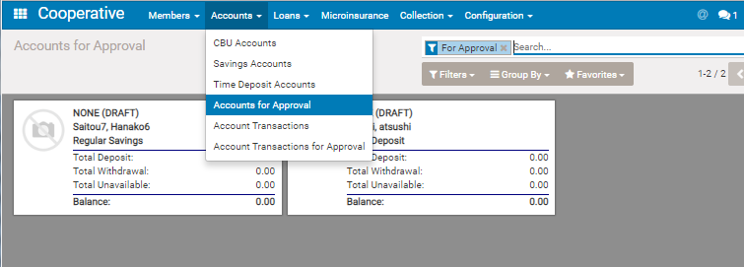
Saving Account Open

 | Menu : Cooperative > Accounts > Saving Accounts

 |  | 1. Tap [Create] button

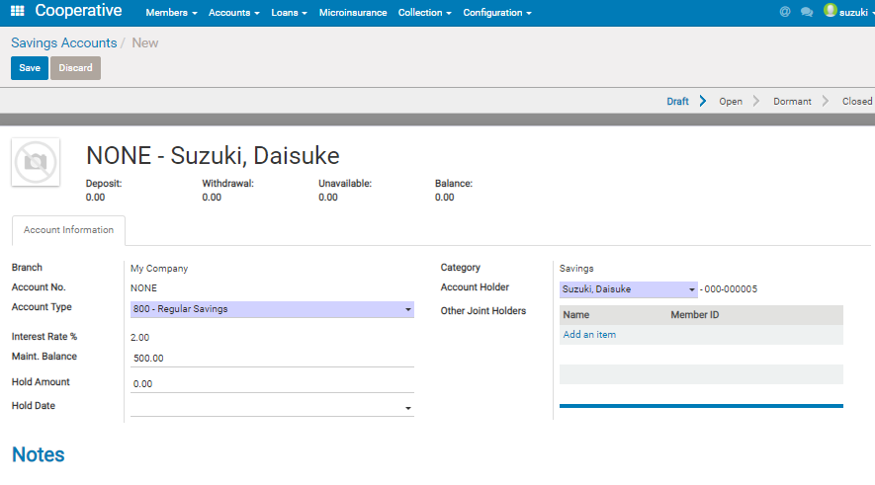

 |  | 2. Input account info ,then save

 |  |  | Field reference

 |  |  | Account type : Select saving products set in configuration ( refer to LR3 for understanding of saving product master)

 |  |  | Maint. Balance approval process is necessary when withdrawal transaction result becomes under this balance
 |  |  | Interest rate :cannot be changed. the rate registered in Account Type master
 |  |  | (Interest calculation will be done automatically periodically (quarterly or half year or annual can be set ) at daily open of the disignated date.

 |  |  | Hold Amount and Hold date : Don't allow withdrawal transaction which results the balance becone under this hold account.
 |  |  | But this is effective upto Hold date only.
 |  |  | * Hold Ammount and date can be set/change anytime after the account approved.

 |  |  | Other Joint Holder: can add other member here as joint holder.

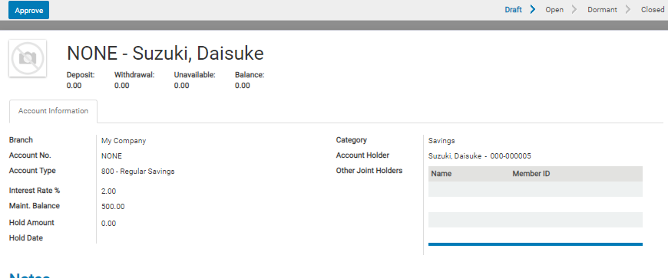
 |  | 3.Tap Approve button (only by branch manager)

 |  | If you need to search accounts for approval (not yet approved acount),
 |  | You can search only [For Approval] state data by Cooperative > Accounts > Saving Accounts>Accounts for Approval

AOP3
Saving deposit/withdraw transaction

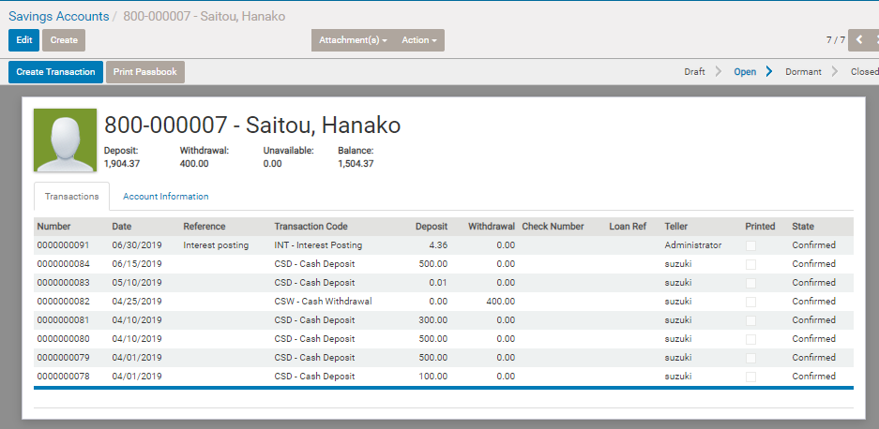
 |  | 1. Display Saving account form of the target member and click [Create Transaction]

 |  | *For display
 |  | option1 Search target member in menu [Accounts] > [Savings Accounts]
 |  | option2 Click [Accounts] button in membership form

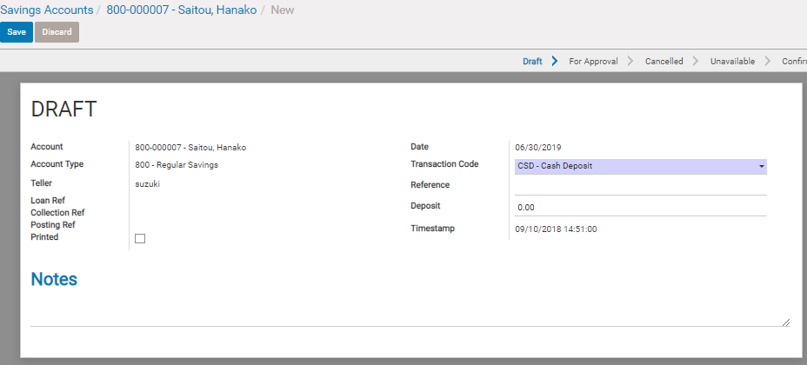
 |  | 2. Input transaction info , then save

 |  |  | Date : transaction date ( display date opened now ,and it cannot be changed)

 |  |  | Select Cash Deposit in case of deposit, Cash Withdrawal in case of withdraw

 |  |  | input reference ( will print on passbook )

 |  |  | Deposit amount

 |  |  | *note ,
 |  |  | You can input check deposit or withdraw also.
 |  |  | In case of check withdraw , the transaction will be treated as bank transaction.
 |  |  | In case of check deposit, the transaction will note be confirmed soon because there is a risk of the check cannot be accepted by bank.
 |  |  | Please refer to [A91 :Check deposit]

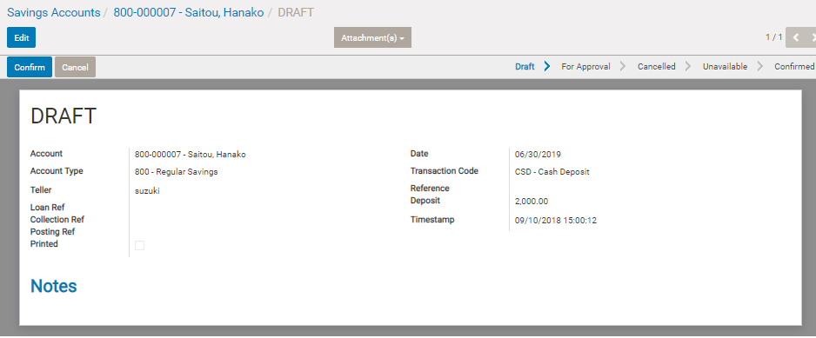

 |  | 3. Check again and Tap [Confirm]

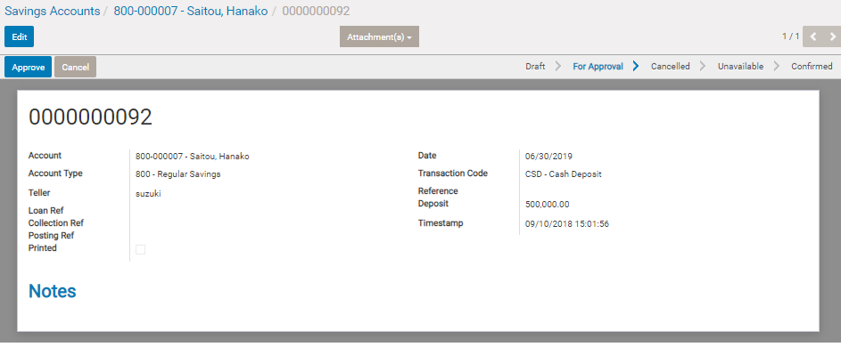
 |  | 4'. If the deposit/withdraw amount is over Deposit/withdraw limit set in account type configuration,
 |  | another approval process by branch manager is necessary.
 |  | ( refer to LR3 for understanding of deposit limit)

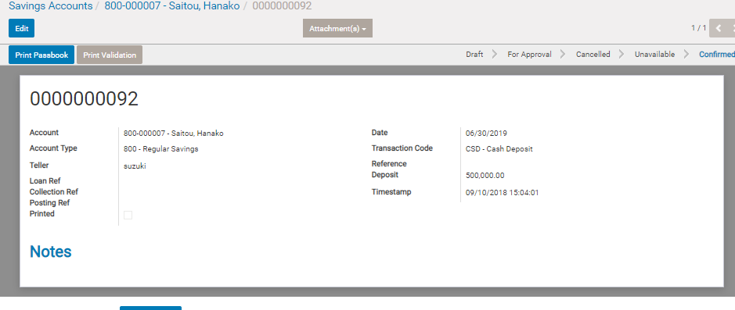

 |  | 5. Tap [Passbook] button

 |  |  | Passbook front cover , back label , transaction info can be printed in next window

 | Same process as CBU passbook printing.
 | Please refer to [A1]

AOP4
Time Deposit Account Open

 | Menu : Cooperative > Accounts > Time Deposit Account

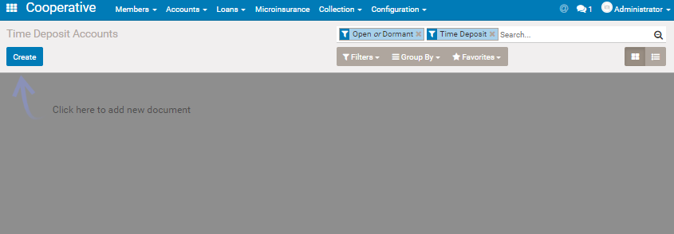
 |  | 1. Tap [Create] button

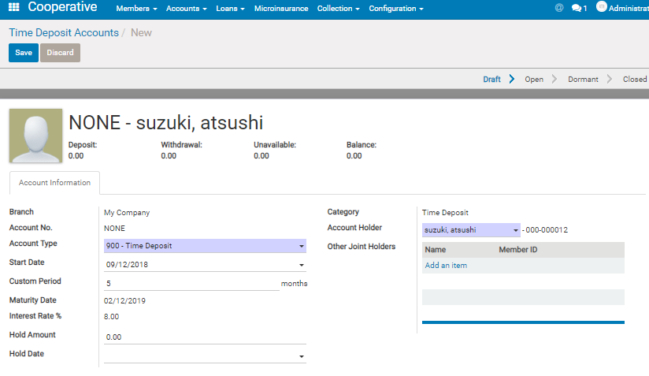
 |  | 2. Input account info ,then save

 |  |  | Field reference

 |  |  | Account type : Select Time Deposit products set in configuration ( refer to LR3 for understanding of saving product master)

 |  |  | Start Date : Start Date of this time deposit account( This date is not necessary to be same as deposit date)
 |  |  | Cutom Period : Deposit period (months).
 |  |  | Maturity Date : automatically display when inputing custome period and starte date

 |  |  | Interest rate :cannot be changed. the rate registered in Account Type master
 |  |  | (* In case of time deposit , the interest will be alculated on Maturity date, )

 |  |  | Hold Amount and Hold date : Don't allow withdrawal transaction which results the balance becone under this hold account.
 |  |  | But this is effective upto Hold date only.
 |  |  | * Hold Ammount and date can be set/change anytime after the account approved.

 |  |  | Other Joint Holder: can add other member here as joint holder.

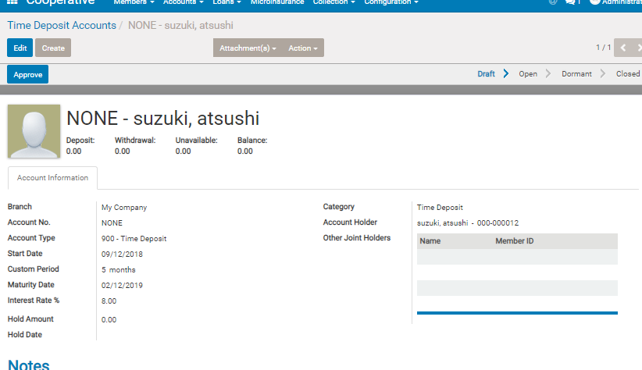

 |  | 3.Tap Approve button (only by branch manager)

 |  | If you need to search accounts for approval (not yet approved acount),
 |  | You can search only [For Approval] state data by Cooperative > Accounts > Saving Accounts>Accounts for Approval

AOP5
Timpe deposit/withdraw transaction

 |  | 1. Display account form of the target member and click [Create Transaction]
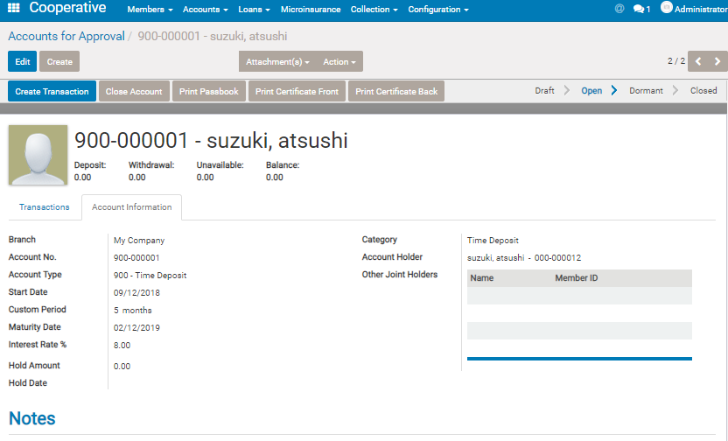
 |  | *For display
 |  | option1 Search target member in menu [Accounts] > [Time Deposit Accounts]
 |  | option2 Click [Accounts] button in membership form

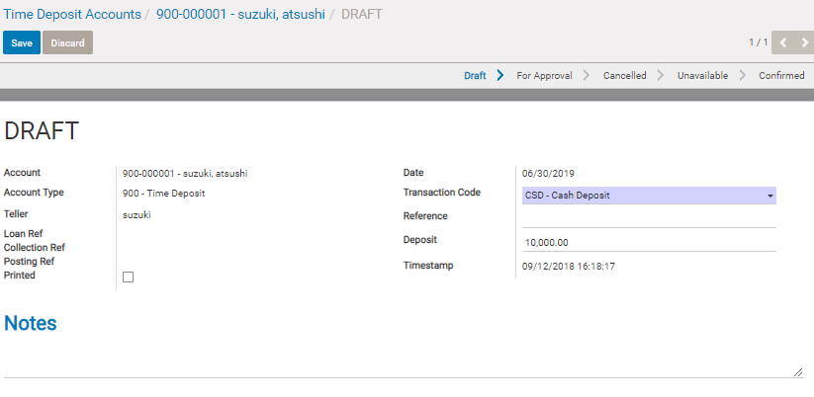
 |  | 2. Input transaction info , then save

 |  |  | Date : transaction date ( display date opened now ,and it cannot be changed)

 |  |  | Select Cash Deposit in case of deposit, Cash Withdrawal in case of withdraw

 |  |  | input reference ( will print on passbook )

 |  |  | Deposit amount

 |  |  | *note ,
 |  |  | You can input check deposit or withdraw also.
 |  |  | In case of check withdraw , the transaction will be treated as bank transaction.
 |  |  | In case of check deposit, the transaction will note be confirmed soon because there is a risk of the check cannot be accepted by bank.
 |  |  | Please refer to [A91 :Check deposit]

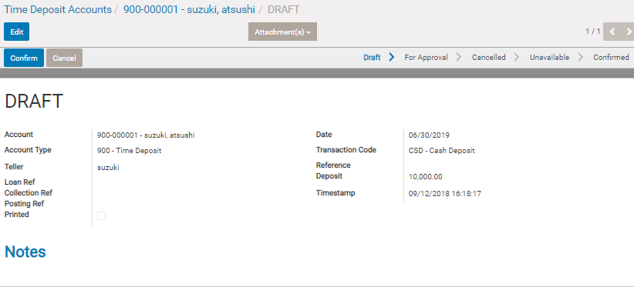
 |  | 3. Check again and Tap [Confirm]

 |  | 4'. If the deposit/withdraw amount is over Deposit/withdraw limit set in account type configuration,
 |  | another approval process by branch manager is necessary.
 |  | ( refer to LR3 for understanding of deposit limit)

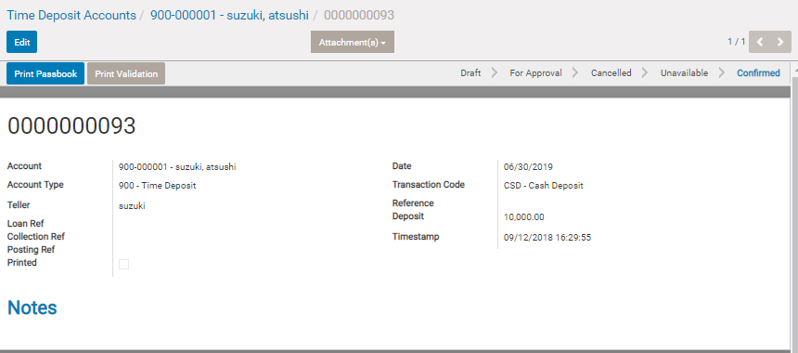
 |  | 5. Tap [Passbook] button

 |  |  | Passbook front cover , back label , transaction info can be printed in next window

 |  |  | In case of Time deposit, other special 2 layout print action is prepared.
 |  |  | Print Validation : For validation sign of time deposit amount
 |  |  | Certification : For certification ( term , rate, maturity date, etc )
 |  |  | (Certification print button is placed in account form top., see step 1's image)

 | Same process as CBU passbook printing.
 | Please refer to [A1]

AOP9
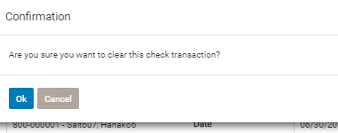
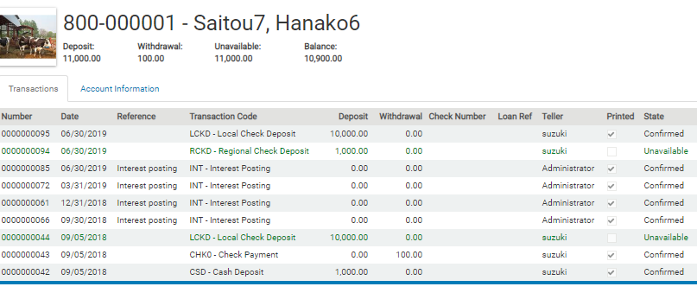
Check deposit

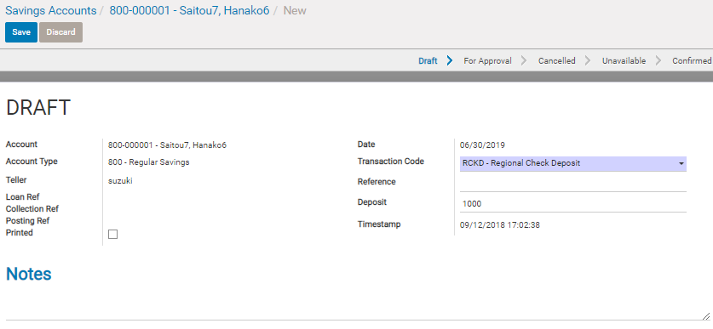
 |  |  | 1.Input check deposit transaction and Tap [Save] button

 |  |  |  | RCKD , or LCKD is prepared for check deposit


 |  |  | 2.Confirm and then Tap [Confirm] button

 |  | ( if the amount is over deposit limit , approval process is necessary
 |  | Refer to [A3] or [W] )

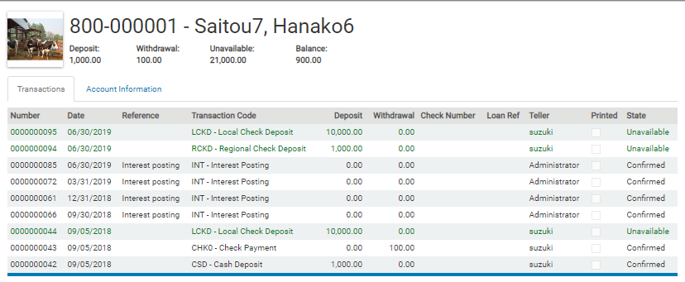
 |  |  | 3. The transaction status became Unavailable , and the amount is summarized in [Unavailable] amount

 |  |  | - This amount cannot be withdraw before clearing
 |  |  | - This transaction is not printed in passbook
 |  |  | - This transaction will not post by daily posting before clearing

 | After check is cleared ( confirmed payment in bank )

 |  |  | 4. Click the target transation

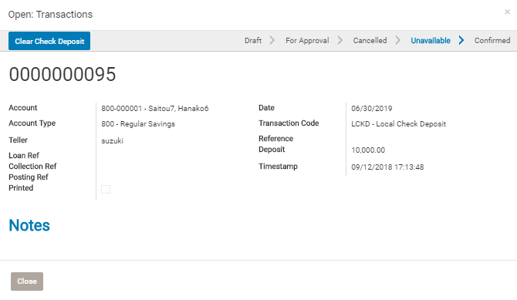

 |  |  | 5. Tap Clear Check Deposit

A1 CBU Accounts
CBU Accounts

1. Basic information
 | ITEM |  | VALUE
 | Menu Name |  | CBU Accounts
 | Name |  | wc_account.action_cbu
 | Model |  | wc.account
 | View mode |  | kanban,tree,form

2. Screen transition

 | windows action
 | search_default_open=1 , search_default_dormant=1
 | account type category = cbu
Accounts (Tree , Kanban )
Create
Select
Accounts (Form)
Create
Transaction
Account Transaction(Form)

reference form , Auto Linked from relation field
Account Transaction(Form)
(confirm and print is available)
 |  | Search |  | Edit & Save
 |  |  |  | Approve
 |  |  |  | Delete
 |  |  |  | Attachment

 | *Accounts view is common view used for CBU , Saving account, Time deposit acoounts.
 | windows action からコンテキストに CBU , Saving ,Time deposit の情報を与え、それぞれの場合の画面制御を行う。

4.View

A. Search and List type view

(1) List type View

 | Refer to Saving Accounts

A2 Saving Accounts
Saving Accounts

1. Basic information
 | ITEM |  | VALUE
 | Menu Name |  | Savings Accounts
 | Name |  | wc_account.action_sa
 | Model |  | wc.account
 | View mode |  | kanban,tree,form

2. Screen transition

 | windows action
 | search_default_open=1 , search_default_dormant=1
 | account type category = saving
Accounts (Tree , Kanban )
Create
Select
Accounts (Form)
Create
Transaction
Account Transaction(Form)

reference form , Auto Linked from relation field
Account Transaction(Form)
(confirm and print is available)
 |  | Search |  | Edit & Save
 |  |  |  | Approve
 |  |  |  | Delete
 |  |  |  | Attachment

Other Joint Holder
(add able in Draft state)

 | *Accounts view is common view used for CBU , Saving account, Time deposit acoounts.

4.View

A. Search and List type view

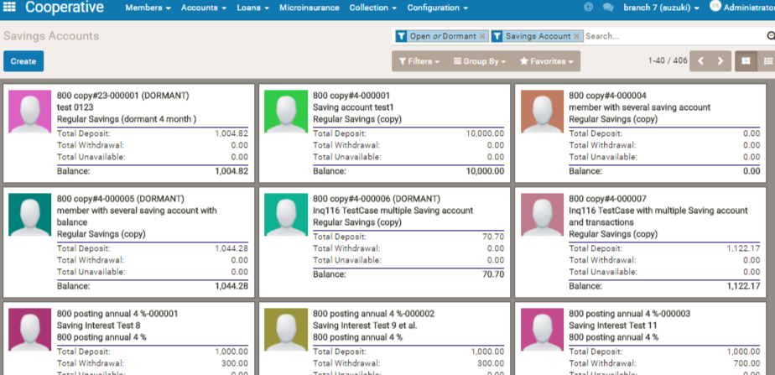
(1) List type View
 | kanban
2
1

 | 1.Basic
 | Filter1 | Open (if search_default_open=1) or Dormant (if search_default_dormant=1) or For Approval (if search_default_for_approval=1)
 | Filter2 | Saving Account ( account type category = saving ) ,
 |  | Time Deposit Account ( account type category = time deposit ) ,
 |  | CBU (account type category = CBU ) ,

 | * if CBU , create and import is not available

 | tree view
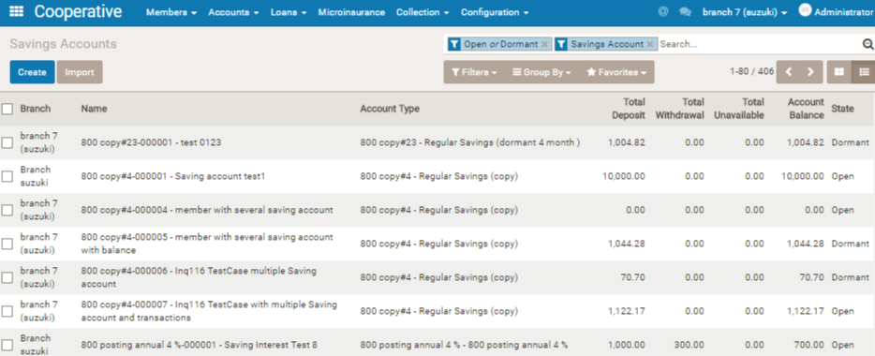

B.Form View (Business Document View)

 | 1. Header
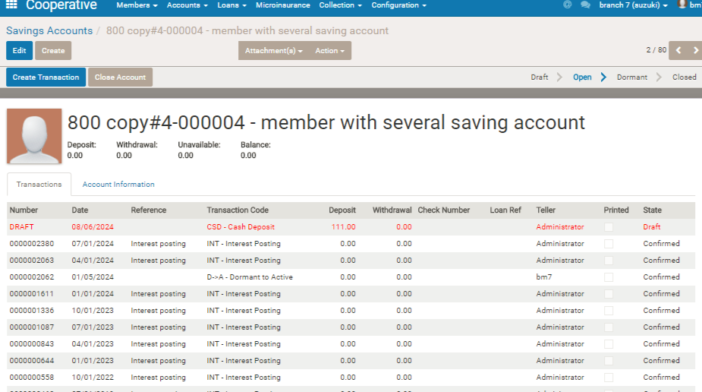

1
2

 | Item |  | logic
1 | Button |  | [Create Transaction] > Open account transaction registration form. (Refert to 5.1 in this sheet. ) [Close Account] > Appear only in case balance is zero. Change state to Closed. [Approve] > Approve the account registration. This button is shown only when the account approve status is draft [Print Passbook] > Open passbook printing form. Shown only when the account status is open or dormant. (Refer to 5.2 in this sheet.)
2 | status bar |  | Draft > Open > Dormant > Closed . Dormant is the account , which has no transactions during certain perio. The period is difined in account type master( [Configuration]>[Account Type])

 | 2.Sheet

 | a.Sheet header
 | Transaction summary info
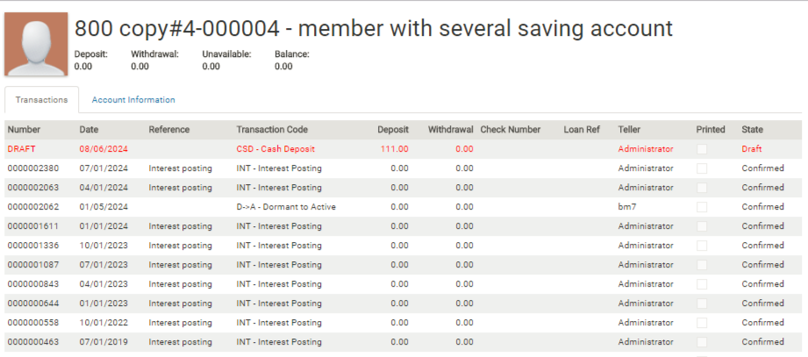

1

 | Item |  | note
1 | Unavailable |  | Total Unavailable amount. The deposit amount total , which is inputed by [LCKD(Local Check Deposit)] or [RCKD(Regional Check Deposit)].

 | b.Transactions (related model = wc.account.transactions )
 | show transaction record
 | This tab is not show on the state of Draft


1

 | * record of draft is in red
 | Item |  | note
1 | Printed |  | If this line is printed in passbook. This flag is automatically checked , when printing passbook.

 | c.Account information

1

2

3
4

5
6

 | * Visible above is depending on account type category.
 | Item |  | note

1 | Account No. |  | XXXX -nnnnnn. This is automatically put by system. XXXX is account type code (Setting > Account types ) and nnnnnn is seq number.
2 | Maint.Balance |  | This is only for saving type of account. Approval process is necessary when withdrawal transaction result becomes under this balance.
3 | Hold Amount |  | Don't allow withdrawal transaction which results the balance becone under this hold account.But this is effective upto Hold date only.
4 | Hold Date
5 | start Date |  | Start date of time deposit. *Visible only in case of account type category = Time deposit
6 | Maturity Date |  | Maturity date of time deposit. *Visible only in case of account type category = Time deposit

5. Other View opened from this form

 | 5-1 . Account Transaction Registration Form
 | Open this form by [Create Transaction] Button

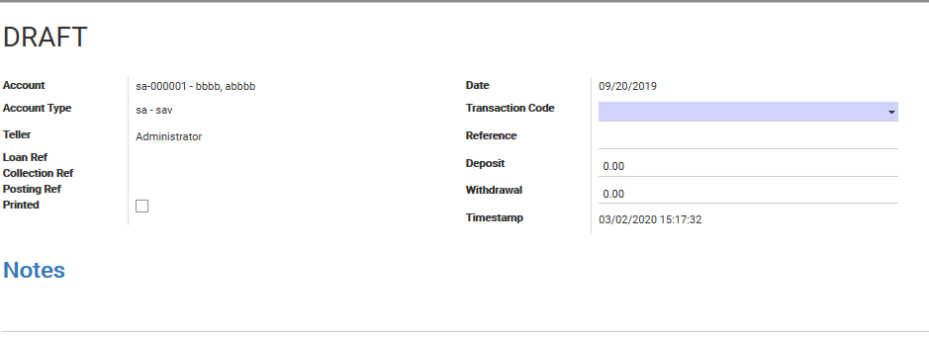
1
2

8
3
4

5
6
7

 | Item |  | note

1 | button |  | [Confirm] : visible only if status is draft. refer [logic 5-1-1] for action when tap this button. [Approve]: visible only if status is for-approval. Refer [logic 5-1-2] for action when tap this button. [Clear Check Deposit]: visible only if status is unavailable. Change status to [confirmed] in case the status is [Unavailable]. [Print Passbook] : visible only if status in confirmed and if this tran has not been printed yet. Open passbook printing form. (Refer to 5.2 in this sheet.)
2 | status bar
3 | Teller |  | employee who made this transaction. This field is automatically set with login user id when creating the transaction.
4 | Loan Ref |  | Link to loan info which produced this account transaction. ( Account transactions may be produced by loan , which has deduction items and whose deduction type is CBU,Saving ,or LGF. In this case , this [Loan Ref] will be displayed for link to the loan info.)
5 | Collection Ref |  | Link to collection info which produced this account transaction. ( Account transactions may be produced by collection entriy. In this case ,this [Collection Ref] will be displayed for link to the loan info.)
6 | Posting Ref |  | Link to account posting header if this account transaction has been already posted
7 | Printed |  | Represent if the accounting transaction has been printed in passbook
8 | Transaction Code |  | Select proper transaction code by following rule. (left:condiction ==> right:code to be selected) * If the transaction is deposit for saving or timedeposit ==> [CSD] * If the transaction is withdrawal for saving or timedeposit ==> [CSW] * If the transaction is deposit for CBU ==> [1000] See [Code Reference] sheet in detail.

 | Logic |  | logic detail
5-1-1 | Confirm |  | Change status by following rule ( left:condition ==> right:target status ) * condition: [Transaction Code] is in ([LCKD] , [RCKD] ) ==> status: [clearing] * [Transaction Code] is in ( [A->D], [D->A] ) ==> [for-approval] * Balance resulted by this transaction will become less than [Maint.Balance] ==> [for-approval] * Withdrawal amount by this transaction is equal to or over than [withdrawal limit](set by [Configuration]>[Account Types]) ==> [for-approval] * Deposit amount by this transaction is equal to or over than [deposit limit](set by [Configuration]>[Account Types]) ==> [for-approval] * Other ==> [confimed]
5-1-2 | Approve |  | Change status by following rule ( left:condition ==> right:target status ) * [Transaction Code] is [D->A] ==> [open] * [Transaction Code] is [A->D] ==> [dormant] * Other ==> [confirmed]

 | 5-2 . Passbook Printing Form
 | Open this form by [Print Passbook] Button

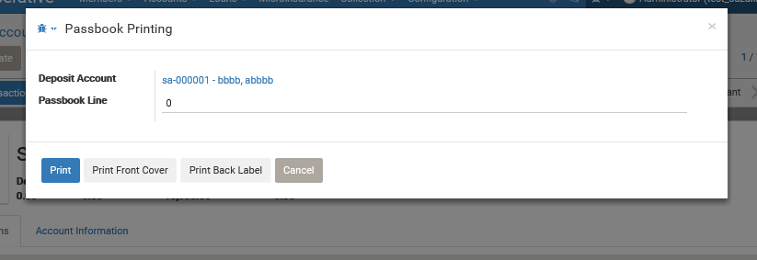

 | Item |  | note

1 | button |  | [Print] : refer [logic 5-2-1] for action when tap this button. [Print Front Cover]: Print passbook front cover ( The layout needs to be adjusted to customer's pass book style) [Print Back Label] : Print passbook Back Label ( The layout needs to be adjusted to customer's pass book style)
2 | status bar
 | Logic |  | logic detail
5-2-1 | Print |  | Create binary data ( for cannon line printer) for pass book line by using this transaction. (Need to be customized per customer)
5-2-2 | Print Front Cover |  | Create binary data ( for cannon line printer) for pass book front cover. (Need to be customized per customer)
5-2-3 | Print Back Cover |  | Create binary data ( for cannon line printer) for pass book back cover. (Need to be customized per customer)

A3 Time Deposit Accounts
Saving Accounts

1. Basic information
 | ITEM |  | VALUE
 | Menu Name |  | Time Deposit Accounts
 | Name |  | wc_account.action_td
 | Model |  | wc.account
 | View mode |  | kanban,tree,form

2. Screen transition

 | windows action
 | search_default_open=1 , search_default_dormant=1
 | account type category = time deposit
Accounts (Tree , Kanban )
Create
Select
Accounts (Form)
Create
Transaction
Account Transaction(Form)

reference form , Auto Linked from relation field
Account Transaction(Form)
(confirm and print is available)
 |  | Search |  | Edit & Save
 |  |  |  | Approve
 |  |  |  | Delete
 |  |  |  | Attachment

Other Joint Holder
(add able in Draft state)

 | *Accounts view is common view used for CBU , Saving account, Time deposit acoounts.
 | windows action からコンテキストに CBU , Saving ,Time deposit の情報を与え、それぞれの場合の画面制御を行う。

4.View

A. Search and List type view

(1) List type View

 | Refer to Saving Accounts

A4 Account Transaction
1. Basic information
 | ITEM |  | VALUE
 | Menu Name |  | Account Transactions
 | Name |  | wc_account.action_trans
 | Model |  | wc.account.transaction
 | View mode |  | tree,form

2. Screen transition

Time Deposit Account
CBU Account
Saving Account

Create transaction
 | Windows Action

 | (no context)
Account Transaction
(Tree)
Account Transaction(Form)

select

 |  |  |  | Edit ,Save , Confirm , Discard

 |  | Search

4.View

 | Refer to [2-1 Saving Accounts] > [5.1]

Sheet1
変更履歴
 | 1/31 | 小切手に関する仕様を追加
 |  | Hold amount 、期限に関する仕様 …未追加

CBU に関する仕様 |  |  |  |  |  |  |  |  |  |  | Specification of CBU
 |  |  |  |  |  |  |  |  |  |  |  | Summary
 | 概要 |  |  |  |  |  |  |  |  |  |  |  | Micro finance institute of Coop type is an organiztion which is managed and operated by members themselves , and the members need to deposit certain amount of Capital to participate in the organization's operation.
 |  | 組合型マイクロファイナンスは、メンバー自身が組合の運営者であるという組織であり、メンバーは登録の際にローンの申し込みいかんにかかわらず資本金を積み立てることで運営に参加する必要がある。 |  |  |  |  |  |  |  |  |  |  | CBU (stand for Capital Build Up) is the capital above mentioned.
 |  | ＣＢＵ（Ｃａｐｉｔａｌ Ｂｕｉｌｄ Ｕｐ）は、その資本金のことである。 |  |  |  |  |  |  |  |  |  |  | From this perspective , every members have to have CBU account , and need to deposit certain amount of capital on the account ,It is determined in Philippines law.
 |  | 上記の観点からすべてのメンバーはＣＢＵ口座を持ち、一定金額以上の積み立てを行うことが原則として決められている。 |  |  |  |  |  |  |  |  |  |  | There is no such kind of law for MFI of not Coop type.
 |  | 組合型でない民間のマイクロファイナンスではＣＢＵに関する原則はない。
 |  |  |  |  |  |  |  |  |  |  |  |  | (Deposit ・ Withdrawal )
 |  | （積立・引き落と） |  |  |  |  |  |  |  |  |  |  | Members have to deposit certain amount or more when members registration.
 |  | 積立は上記のとおりメンバーとなったとき。 |  |  |  |  |  |  |  |  |  |  | Additional deposit of CBU can be done anytime.
 |  | 積み増しはいつでも可能。 |  |  |  |  |  |  |  |  |  |  | CBU can be withdrawed only when the member resign the membership.
 |  | 引き落としは退会時にのみ認められる。（組合によってはローン返済にＣＢＵを使っているところもあるが、これは原則禁止されている。） |  |  |  |  |  |  |  |  |  |  | Ii is basically prohibited that they use CBU as compensate loan payment in case of unpaid , but there are some coops using CBU for compensation.
 |  | システムの制御としては、積立、引き落とし自体に制限はないが、一定の金額以上のトランザクションの場合に承認プロセスを経由できるよう、閾値を設けることができる。 |  |  |  |  |  |  |  |  |  |  | In system , there is no prohibitation for its withdrawal , but threshhold amount can be set on CBU account type master so that the withdrawal have to be passeed certain approval prrocess in case withdrawal amount is over the threshhold.

 |  | （配当） |  |  |  |  |  |  |  |  |  |  | (Devident)
 |  | ＣＢＵは預金とはことなり利息はないが、組合の利益に応じて配当を受け取ることができる。 |  |  |  |  |  |  |  |  |  |  | Different from saving account, member cannot receive its deposit interest , instead , they can receive certain amoun of devident from coops depending on business profit situation.
 |  | 通常、毎年行われるボードミーティングにてその年の配当が決められる。このため年によって配当総額はことなる。 |  |  |  |  |  |  |  |  |  |  | Usually , the devident is determined at board meeting held annally , so the amount of devident is different each year.
 |  | 各メンバーへの配当は、総配当を資本金比率で案分したものとなる。 |  |  |  |  |  |  |  |  |  |  | Each member can get devident which is result of devided of total amount of devidend, devided proportionally per their CBU balance

 |  | 配当計算ロジック |  |  |  |  |  |  |  |  |  |  | Devident computation logicc
 |  | 配当は、通常ボードミーティングで決定された総配当を、各アカウントの残高に応じた比率で分配する。 |  |  |  |  |  |  |  |  |  |  | Usually Coops will distribute their devident ,which is decided by board meeting, to each member's CBU account corresponding on CBU's balance proportionally
 |  | 総配当をバッチプログラムにインプットして実行することで、各アカウントに、配当割り当てのトランザクションが生成される。 |  |  |  |  |  |  |  |  |  |  | By inputting togal devident in a batch program, system produce devident allocate transaction on each CBU account.

 |  | Dividend = [Total Dividend Amount] x [CBU Balance] / [Total CBU Balance of all members] |  |  |  |  |  |  |  |  |  |  | Dividend = [Total Dividend Amount] x [CBU Balance] / [Total CBU Balance of all members]
 |  | [Total Dividend Amount] is based on the net profit of the Coop inputted on the batch wizard. |  |  |  |  |  |  |  |  |  |  | [Total Dividend Amount] is based on the net profit of the Coop inputted on the batch wizard.

 |  |  |  |  |  |  |  |  |  |  | Specification of Saving
セービング |  |  |  |  |  |  |  |  |  |  |  | Summary
 |  |  |  |  |  |  |  |  |  |  |  |  | As well as bank saving , members can withdraw their deposit from their saving account anytime. (except for Time deposit type saving mentioned later )
 | 概要 |  |  |  |  |  |  |  |  |  |  |  | Usually , coops have several type of saving products , which has different interest and other conditions.
 |  | 銀行預金と同じように、メンバーはいつでも預金、引き落としをすることができる。 |  |  |  |  |  |  |  |  |  |  | But different from bank saving , interest calculation is not done anytime , it is done only periodically.
 |  | 組合には利率などの条件が異なる複数の預金種類があるのがふつう。 |  |  |  |  |  |  |  |  |  |  | Its computation logic is that summary of [ balance of the date end * interest rate per a day] .
 |  | ただし利息計算は引き落としのタイミングではなく、定期的に実施される。 |  |  |  |  |  |  |  |  |  |  | In system , saving account master has serveral setting so that we can make saving master matching many type of coops saving products.
 |  | 利息計算のロジックは日々の残高に対する日割りの利息を計算したものの合算となる。
 |  | システムでは、利息のほか、様々条件に対応できるように設定することができる。 |  |  |  |  |  |  |  |  |  | Account type master
 |  |  |  |  |  |  |  |  |  |  |  |  | Cooperative > Configuration > Account Type

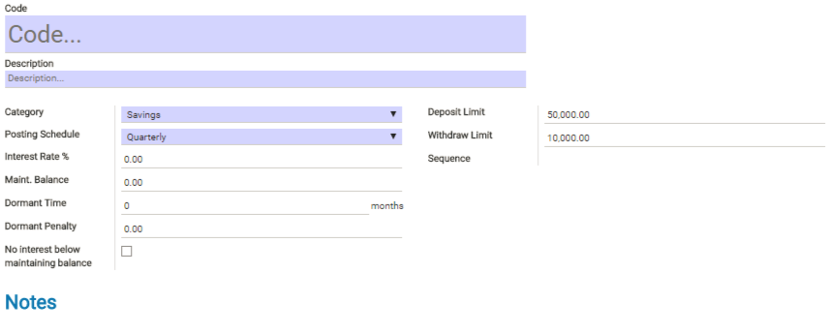
 | マスターデータ
 |  | Cooperative > Configuration > Account Type

 |  |  |  |  |  |  |  |  |  |  |  |  | Explanation of field items
 |  |  |  |  |  |  |  |  |  |  |  |  |  | Category … Select one from CBU, Saving , Time Deposit. Setting field is different corresponding to the category,

 |  | 項目説明
 |  |  | Category … CBU, Saving , Time Deposit から選択。設定するフィールドが異なる。 |  |  |  |  |  |  |  |  |  |  | In case of Category= Saving
 |  |  | Category= Saving の場合 |  |  |  |  |  |  |  |  |  |  | Field |  | Explanation |  |  |  |  |  | Note
 |  |  | Posting Schedule |  |  | 四半期、半期、年の中から利息計算のスケジュールを設定する。利息計算はそれぞれの開始期間のついたちの、日次オープン時に行われる。 |  |  |  | Quarterly , Semi-Annual , Annual |  |  |  | Posting Schedule |  | Schedule of the account interest computation. It can be select from quarterly , semi-annual (half year) , annual.The computation is executed on the timing of Open date of the first date of the term.(1/1 , 4/1, 7/1 , 10/1 ) |  |  |  |  |  | Quarterly , Semi-Annual , Annual
 |  |  | Interest Rate % |  |  | 利息（年利） |  |  |  |  |  |  |  | Interest Rate % |  | Interes rate per year
 |  |  | Mainｔ.Balance |  |  | 最低預金残高 ・これを下回るような引落しが行われる場合は、引落しの承認が必要。 ・「No Interest below maintaining balance」にチェックがある場合、利息計算のときに残高がここに設定した金額未満のものは計算対象からはずす。残高が、この「最低預金残高」以下の期間は、預金計算されない。 |  |  |  |  |  |  |  | Mainｔ.Balance |  | Buttom saving balance ・Withdrawal transaction , with which the saving balance becomes under Main.Balance, need to get through approval process. ・In case field 「No Interest below maintaining balance」 is checked , saving transaction whose balance is under Main.Balance is excluded from periodical saving interest calculation. during the balance is below or equal to the [Maint.Balance] , the daily interest is not calculated and summarized.
 |  |  | Dormant Time |  |  | 休眠期間 この期間の間なにもトランザクションが発生していない場合、日次Open時にそのSaving AccountのステータスがDormantに変わる。 |  |  |  |  |  |  |  | Dormant Time |  | If there is no transaction during the Dormant Time since when previous transaction is occurred , the saving account status changes to Dormant when Daily Open of the date.
 |  |  | Dormant Penalty |  |  | Dormantとなったアカウントは、以降毎月Dormant Penaltyに指定されたAmountが日次Open時に引き落とされる。（トランザクションが自動的に発生する。） |  |  |  |  |  |  |  | Dormant Penalty |  | After changed to Dormant ,from the saving account it is deducted certain amount ,which is set as Dormant Penalty, every month.
 |  |  | No Interest below maintaining balance |  |  | Main. Balance の欄参照 |  |  |  |  |  |  |  | No Interest below maintaining balance |  | Refer to explanation of [Main. Balance]
 |  |  | Deposit Limit |  |  | 預金の際に、承認プロセスを必要とするかどうかの閾値。これ以上の預金の場合は、承認を必要とする。 |  |  |  |  |  |  |  | Deposit Limit |  | The deposit threshold for approval. Deposit more than or equal to the limit , need to be pass through approval process.
 |  |  | Withdrawal Limit |  |  | 預金引き出しの際に、承認プロセスを必要とするかどうかの閾値。これ以上の引き出しの場合は、承認を必要とする。 |  |  |  |  |  |  |  | Withdrawal Limit |  | The withdrawal threshold for approval. Withdrawal more than or equal to the limit , need to be pass through approval process.
 |  |  | Category = Time Deposit の場合 |  |  |  |  |  |  |  |  |  |  | Category = Time Deposit の場合
 |  |  | Posting Schedule |  |  | 四半期、半期、年の中から利息計算のスケジュールを設定する。利息計算は、各アカウントに設定された、TimeDeposit期間の終了日の日次オープン時に行われる。 |  |  |  | Quarterly , Semi-Annual , Annual |  |  |  | Posting Schedule |  | Schedule of the account interest computation. It can be select from quarterly , semi-annual (half year) , annual.The computation is executed in Daily Open of the Time Deposit account's maturity date. |  |  |  |  |  | Quarterly , Semi-Annual , Annual
 |  |  | Interest Rate % |  |  | Saving と同じ |  |  |  |  |  |  |  | Interest Rate % |  | Same as Saving
 |  |  | Deposit Limit |  |  | Saving と同じ |  |  |  |  |  |  |  | Deposit Limit |  | Same as Saving
 |  |  | Withdrawal Limit |  |  | Saving と同じ |  |  |  |  |  |  |  | Withdrawal Limit |  | Same as Saving
 |  |  | Category = CBU の場合 |  |  |  |  |  |  |  |  |  |  | Category = CBU の場合
 |  |  | Posting Schedule |  |  | 四半期、半期、年の中か配当計算のスケジュールを設定する。配当は、通常ボードミーティングで決定された総配当を、各アカウントの残高に応じた比率で分配する。 |  |  |  | Quarterly , Semi-Annual , Annual |  |  |  | Posting Schedule |  | Schedule of the devident computation. It can be selected from quarterly , semi-annual (half year) , annual. The devident is determined in board meeting and proportional amount correspondint to CBU's balance is distributed to members. |  |  |  |  |  | Quarterly , Semi-Annual , Annual
 |  |  | Deposit Limit |  |  | Saving と同じ |  |  |  |  |  |  |  | Deposit Limit |  | Same as Saving
 |  |  | Withdrawal Limit |  |  | Saving と同じ |  |  |  |  |  |  |  | Withdrawal Limit |  | Same as Saving

 | 預金計算ロジック |  |  |  |  |  |  |  |  |  |  | Saving Interest Computation Logic
 |  | 計算時点で、前回計算日以降の日々のbalance(預金残高）に、一日分の預金利率をかけたものの合算の少数第２位までの四捨五入である。 |  |  |  |  |  |  |  |  |  |  | The interest is calculated by summay of daily interest amount after previious date of the calculation , the daily interest is computated by balance at the date times daily interest rate.
 |  | balance_at_date = all_deposits + all_interest - all_withdrawals (transaction_date <= date)daily_interest_amount = balance_at_date * (1/365) * interest_rate |  |  |  |  |  |  |  |  |  |  | The summary result will be round at 2 decimal degit.
 |  |  |  |  |  |  |  |  |  |  |  |  | balance_at_date = all_deposits + all_interest - all_withdrawals (transaction_date <= date)daily_interest_amount = balance_at_date * (1/365) * interest_rate
 |  | 例えば 利率が年率3.65 %(日率0.0365%)で４半期計算の預金口座で 1/1に1000ペソ預金、1/3に500ペソ引出した場合。 |  |  |  |  |  |  |  |  |  |  | (For example ) If the saving interest rate is 3.65% (daily interest 0.01%) , and deposit and withdrawal transaction is created like below, the interest is 4.55.
 |  |  | 預金 | 引出 | その日時点での残高 |  |  | 利息 |  |  |  |  |  | Deposit | Withdrawal |  | balance at the date |  |  | daily interest
 |  | 2018-01-01 | 1000 |  | 1000 |  |  | 0.1000 |  |  |  |  | Jan1 | 1000 |  |  | 1000 |  |  | 0.1000
 |  | 2018-01-02 |  |  | 1000 |  |  | 0.1000 |  |  |  |  | Jan2 |  |  |  | 1000 |  |  | 0.1000
 |  | 2018-01-03 |  | 500 | 500 |  |  | 0.0500 |  |  |  |  | Jan3 |  | 500 |  | 500 |  |  | 0.0500
 |  | ・・・ | ・・・ | ・・・ | ・・・ | ・・・ | ・・・ | ・・・ |  |  |  |  | ・・・ | ・・・ | ・・・ |  | ・・・ | ・・・ | ・・・ | ・・・
 |  | 2018-03-31 |  |  | 500 |  |  | 0.0500 |  |  |  |  | Mar31 |  |  |  | 500 |  |  | 0.0500
 |  | 2018-04-01 |  |  | 504.55 |  |  | 4.5500 | 預金計算日 |  |  |  | Apr1 |  |  |  | 504.60 |  |  | summary of daily interest | 4.6000
 |  | 2018-04-02 |  |  | 504.55 |  |  |  |  |  |  |  | Apr2 |  |  |  | 504.60

 | 計算タイミング |  |  |  |  |  |  |  |  |  |  | Calculation timing
 |  | 預金アカウントの種類によってわかれている。4半期、半期、年間の３種類。 |  |  |  |  |  |  |  |  |  |  | There are 3types of timinig which can be selected per account type master , which is quarterly , half year, annual.
 |  | 4半期のアカウントは、1/1 、4/1 、 7/1 、 10/1 の各日のDaily Open処理により預金が計算され（預金計算ロジック、最低保有残金、の項も参照）、 |  |  |  |  |  |  |  |  |  |  | If quarterly , the timing will be Jan1, Apr1, July1, Oct1. And the calculation will be done at Daily Open of the each date.( Refer also to Saving Interest Calculation Logic, and Mainｔ.Balance.)
 |  | 各アカウントに利息加算のトランザクションが生成される。 |  |  |  |  |  |  |  |  |  |  | Calculated interest will be added on each accounat as a new transaction.
 |  | 同様に、半期のアカウントは 1/1 、7/1に、年間のアカウントは 1/1 に上記計算が行われる。 |  |  |  |  |  |  |  |  |  |  | Likewise, if the type is half year, the calculation will be done on Jan1, Jul1 , and if annual on Jan1 only.

 |  |  |  |  |  |  |  |  |  |  |  | Dormant Time , Dormant penalty
 | 休眠期間(Dormant Time) 、 休眠ペナルティ |  |  |  |  |  |  |  |  |  |  |  | If there is no transaction during the dormant time after previous transaction on an account, the state of the account will be changed to Dormant.
 |  | 預金に関するトランザクションがない期間。この期間内にトランザクションがない場合は、ステータスがDormant（休眠）に変化する。 |  |  |  |  |  |  |  |  |  |  | After becoming Dormant acount , Dormant Penalty amount wil be deducted per each month at the timing of Daily Open from the account.
 |  | Dormantとなったアカウントは、以降毎月Dormant Penaltyに指定されたAmountが日次Open時に引き落とされる。（トランザクションが自動的に発生する。） |  |  |  |  |  |  |  |  |  |  | (new transaction for dormant penalty deduction will be created automatically.)
 |  |  |  |  |  |  |  |  |  |  |  | Maint.Balance
 | 最低保有残金 |  |  |  |  |  |  |  |  |  |  |  | It is meaning bottomo balance which the account holder should keep anytime basically.
 |  | 最低保有残金を下回るような、預金引き出しを行う場合には、承認が必要となる。（預金積立時には特にチェックはかからない。） |  |  |  |  |  |  |  |  |  |  | In system , when trying to entry withdrawal transaction causing the account balance lower the Maint.Balance , the transanction need to pass approval process.
 |  | また、利息計算時に、預金金額がこれを下回っているばあい、利息計算の対象から除外される。残高が、この「最低預金残高」以下の期間は、預金計算されない。 |  |  |  |  |  |  |  |  |  |  | And , if the account type master is the one [No Interest below maintaining balance] checked , the account having less balance than Maint.Balance will be exclued from interest calculation target.
 |  |  |  |  |  |  |  |  |  |  |  |  | during the balance is below or equal to the [Maint.Balance] , the daily interest is not calculated and summarized.

 | 小切手預金 |  |  |  |  |  |  |  |  |  |  | Check deposit
 |  | 小切手で預金した場合は、銀行での払い出しが確認できるまでは Unavailable のデポジットとして登録される。 |  |  |  |  |  |  |  |  |  |  | If account holder deposit by Check, the amount will be reflectet as Unavailable amount before reflecting on actual balance.
 |  | その後 Clear Check をすることで、預金引き落としに使える実預金となる。 |  |  |  |  |  |  |  |  |  |  | After confirming the check cashed at the bank, ( in system , accountant will do [Clear check] to the transaction) , the amount becomes actual balance and the account holder can withdraw it.
 |  | またこの場合、銀行口座に直接入ることから、会計上の借方勘定は、Ｂａｎｋとなる。 |  |  |  |  |  |  |  |  |  |  | And in above cases, debt account chart is [Bank] , in contast with [Cash] in case of Cash Deposit.

 | Hold Amount
 |  | 指定したHold amount を下回る引き落としトランザクションは、Hold dateに指定した日までは作成できない。 |  |  |  |  |  |  |  |  | Time Deposit

 |  |  |  |  |  |  |  |  |  |  |  | As a whole
 |  |  |  |  |  |  |  |  |  |  |  |  | Basically , Time deposit means the type of saving account with which members can get higher interest with more strictly condition regarding withdrawal than general saving.
 |  |  |  |  |  |  |  |  |  |  |  |  | However, the policy regarding withdrawal for time depsoit is different per each coop, system doesn't have additional limitation or validation about Time deposit withdrawal compared to general saving.
 |  |  |  |  |  |  |  |  |  |  |  |  | Validation of system for Time deposit transactions are the one that there is no limitation or prohibitation about deposit and/or withdrawal but there is transaction amount threshhold for its approval, as general saving.
 |  |  |  |  |  |  |  |  |  |  |  |  | The difference from genral saving is that there is maturity date and interest calculation is done at the maturity date , and the maturity date is automatically extent after the interest calculation.

定期預金 |  |  |  |  |  |  |  |  |  |  |  | Calculation timing
 |  |  |  |  |  |  |  |  |  |  |  |  | There is 3 types of maturity period , quarterly , half year ,annual.
 | 概要 |  |  |  |  |  |  |  |  |  |  |  | The maturity date (equals interest calculation date ) is decided by the type and the start date.
 |  | 基本は、利息が通常のセービングよりもいい代わりに、引き落とし不可の期間が決められているもの。 |  |  |  |  |  |  |  |  |  |  | The interest calculation is done at daily open batch process of the date of the account maturity date.
 |  | ただし組合によってそのポリシーはまちまちであるため、引き落としを拒否するようなシステム上は特段の制限を設けていない。 |  |  |  |  |  |  |  |  |  |  | User can select its term by monthly
 |  | システムの制御としては、預金、引き落とし自体に制限はないが、一定の金額以上のトランザクションの場合に承認プロセスを経由できるよう、閾値を設けることができる。
 |  |  |  |  |  |  |  |  |  |  |  | Auto Rollover
 |  | 利息計算が定期預金の期限日に行われるのと、期限日の後は自動的に定期期間が延長される(しない場合もある）ことが、通常のセービングとの違いである。 |  |  |  |  |  |  |  |  |  |  | The term will extend after the maturity date if selecting auto rollover

 | 計算タイミング
 |  | 預金アカウントの種類によってわかれている。4半期、半期、年間の３種類。
 |  | 利息計算は、各アカウントに設定された、TimeDeposit期間の終了日の日次オープン時に行われる。
 |  | 期間は月単位で選択できる

 | Auto Rollover
 |  | 期限日の後は自動的に定期期間が延長される

